Assumption 1 Details
1st run (XGBoost) |  |  |  |  |  |  | 1st run - repeat |  | (Little variation: single digits not included)
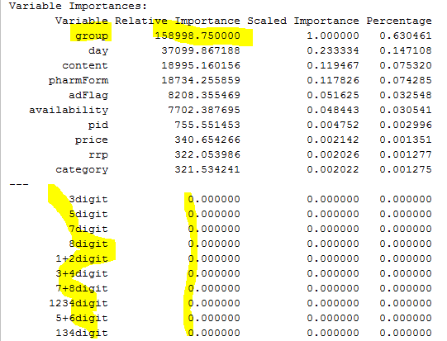
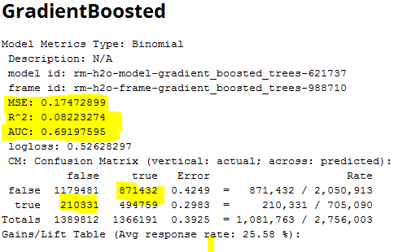
 |  |  |  |  |  |  |  | false | true | Error |  | Rate
 |  |  |  |  |  |  | false | 1179481 | 871432 | 0.4249 | = | 871,432 / 2,050,913
 |  |  |  |  |  |  | true | 210331 | 494759 | 0.2983 | = | 210,331 / 705,090
 |  |  |  |  |  |  | Totals | 1389812 | 1366191 | 0.3925 | = | 1,081,763 / 2,756,003

2nd run XGBoost

Variable | Relative Importance | Scaled Importance | Percentage
pharmForm | 89,669,906,250 | 1,000,000 | 0.346507
day | 39,820,250,000 | 0.444076 | 0.153876
content | 34,314,386,719 | 0.382675 | 0.132599
adFlag | 24,878,513,672 | 0.277446 | 0.096137
5+6digit | 23,485,228,516 | 0.261908 | 0.090753
7+8digit | 17,800,082,031 | 0.198507 | 0.068784
availability | 9,836,274,414 | 0.109694 | 0.038010
134digit | 8,931,603,516 | 0.099605 | 0.034514
competitorPrice | 5,843,326,172 | 0.065165 | 0.022580
price | 1,205,116,089 | 0.013439 | 0.004657
category | 969,853,638 | 0.010816 | 0.003748
pid | 779,600,891 | 0.008694 | 0.003013
campaignIndex | 495,157,349 | 0.005522 | 0.001913
manufacturer | 372,382,996 | 0.004153 | 0.001439
3+4digit | 259,593,475 | 0.002895 | 0.001003
genericProduct | 120,963,646 | 0.001349 | 0.000467
unit | 0.000000 | 0.000000 | 0.000000
salesIndex | 0.000000 | 0.000000 | 0.000000
rrp | 0.000000 | 0.000000 | 0.000000

4th run XG Boost

 | false | true | Error |  |  | Rate
false | 1182538 | 868375 | 0.4234 | = | 868,375 / | 2,050,913
true | 227663 | 477427 | 0.3229 | = | 227.663 | / 705,090
Totals | 1410201 | 1345802 | 0.3977 | = | 1,096,038 / | 2,756,003

Variable | Relative Importance | Scaled Importance | Percentage
8digit | 81,921,500,000 | 1,000,000 | 0.245284
pharmForm | 80,267,218,750 | 0.979807 | 0.240331
7digit | 40,453,941,406 | 0.493813 | 0.121124
day | 36,243,031,250 | 0.442412 | 0.108516
content | 28,809,728,516 | 0.351675 | 0.086260
adFlag | 24,455,292,969 | 0.298521 | 0.073222
6digit | 12,025,566,406 | 0.146794 | 0.036006
availability | 6,537,448,242 | 0.079801 | 0.019574
competitorPrice | 5,184,900,879 | 0.063291 | 0.015524
2digit | 5,129,521,973 | 0.062615 | 0.015358
---
category | 1,317,431,519 | 0.016082 | 0.003945
5digit | 1,016,373,901 | 0.012407 | 0.003043
price | 371,271,484 | 0.004532 | 0.001112
rrp | 359,407,990 | 0.004387 | 0.001076
pid | 260,516,266 | 0.003180 | 0.000780
genericProduct | 153,555,054 | 0.001874 | 0.000460
unit | 0.000000 | 0.000000 | 0.000000
salesIndex | 0.000000 | 0.000000 | 0.000000
1digit | 0.000000 | 0.000000 | 0.000000
3digit | 0.000000 | 0.000000 | 0.000000

